Sheet1
Best r2 scores Copenhagen |  |  |  | *LOOCV = leave-one-out cross validation
 |  |  |  | *Average score = Average score score of model with 10 different train/test splits
Model | Eval method | Train r2 | Test r2
Linear Regression | LOOCV |  | 0.536 | GBR 5000 datapoints
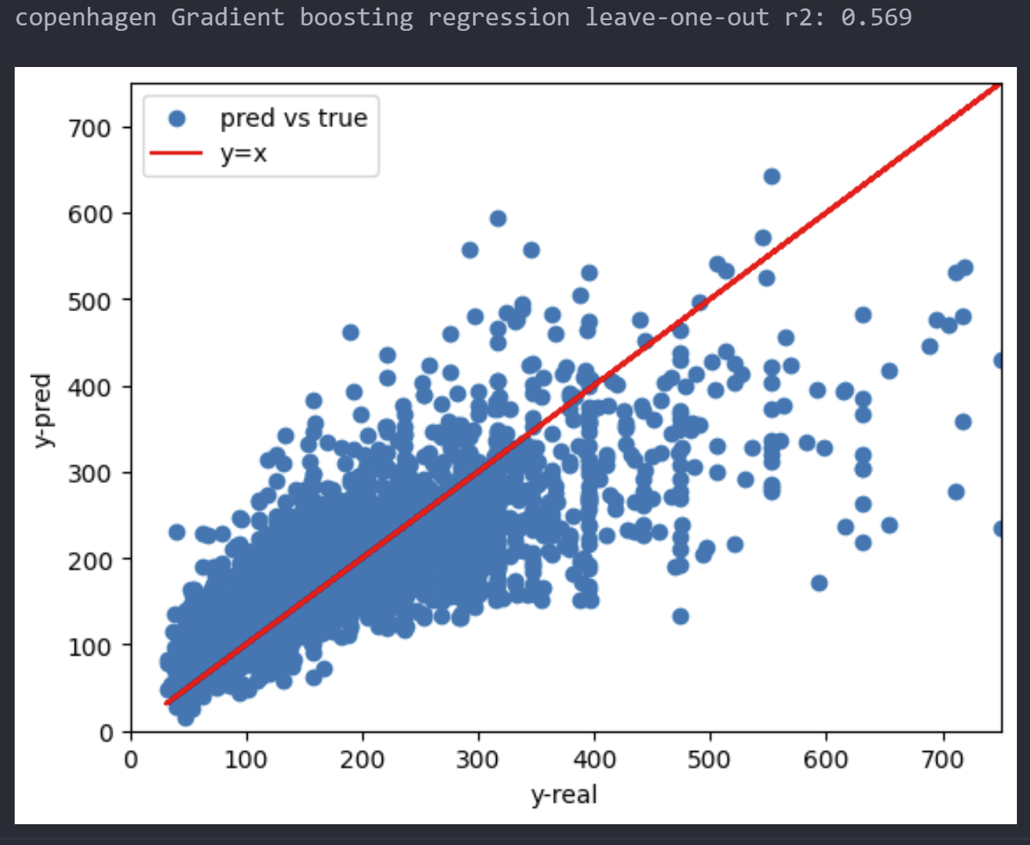
Linear Regression | Average score | 0.5418 | 0.5375
NuSVR | Average score | 0.6469 | 0.5502
Gradient Boosting | Average score | 0.7961 | 0.5969
Random Forest | Average score | 0.756 | 0.5451
XGBoost | Average score | 0.7376 | 0.5831
Neural Network | Average score | 0.5914 | 0.5609

